1_Project_Details
Project Name: Instacart Grocery Basket Analysis
Date: 31 March 2025
Analyst Name: ANN MARIYA FRANCIS

Contents:
Population Flow
Consistency checks
Wrangling steps
Column derivations
Visualizations
Recommendations

6_Visualizations
 | VISUALIZATIONS

In this tab you should include all the visualtions from Exercises 4.9 and 4.10, alongside the questions from the project brief that they answer.
Include any commentary on the relationship between different variables.

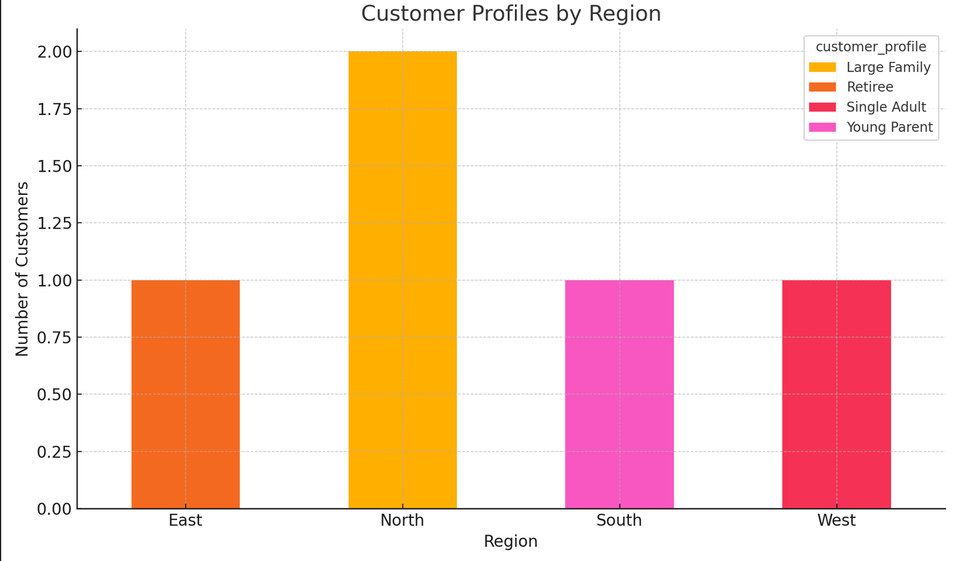
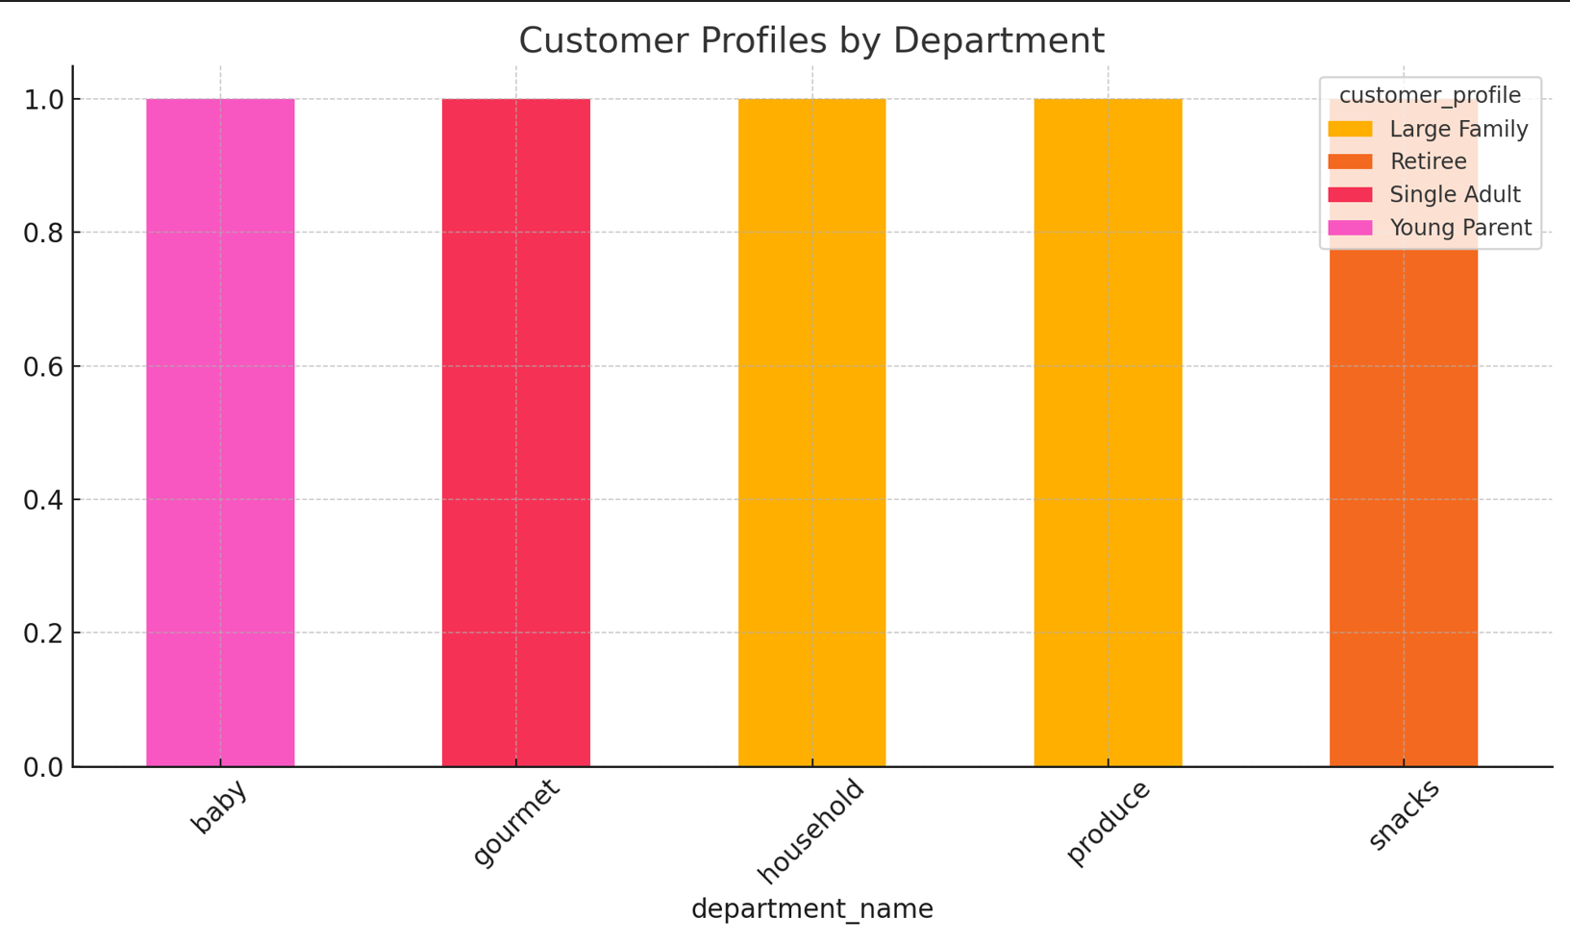

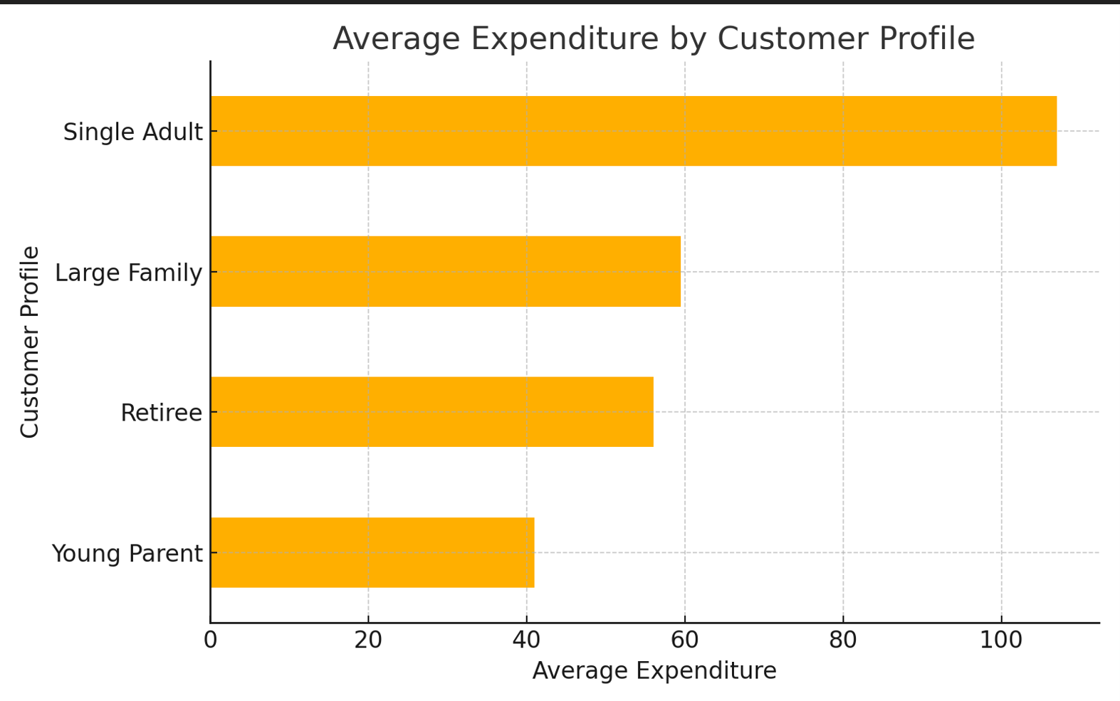

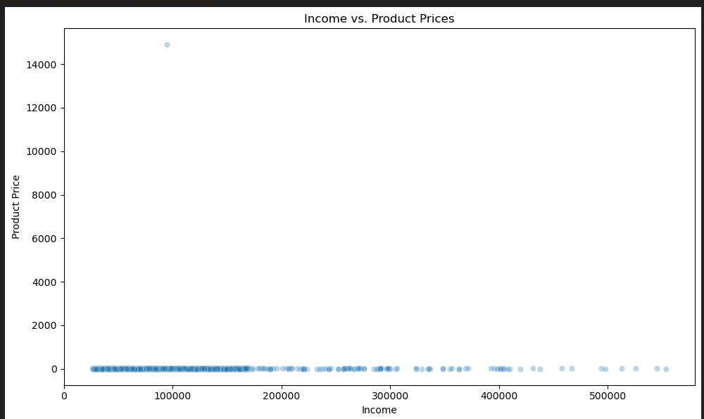

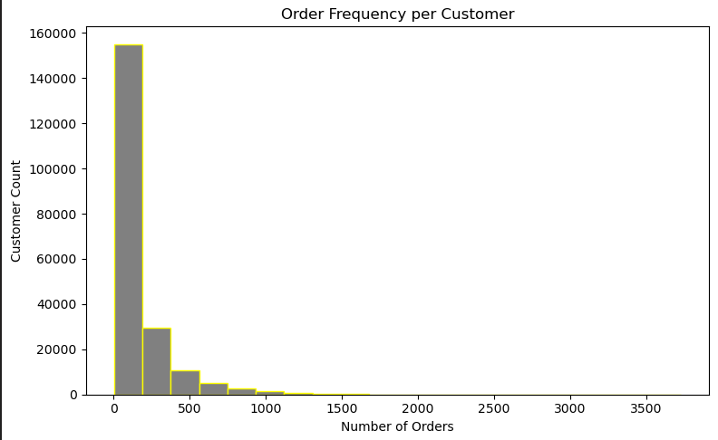

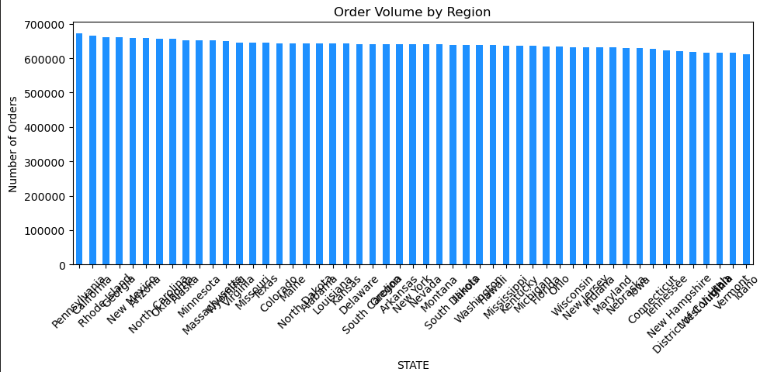
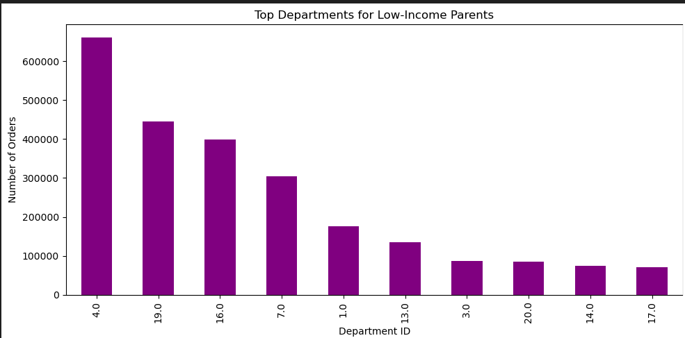

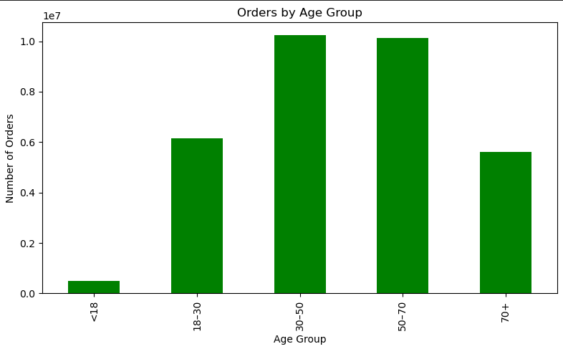
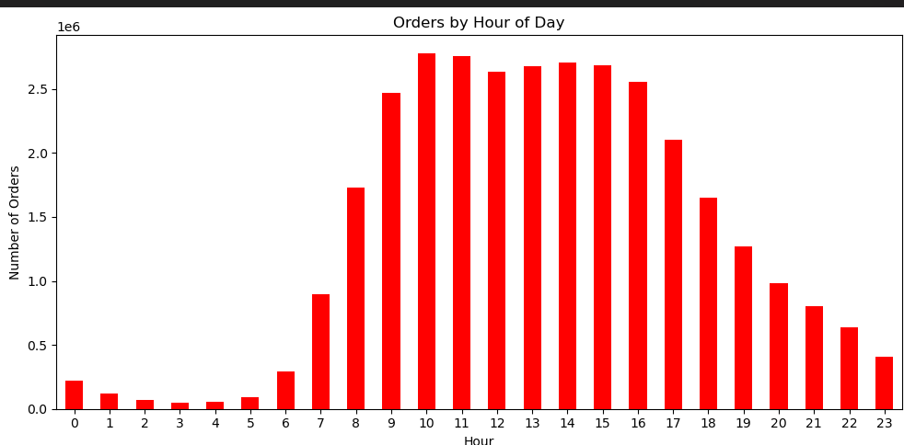

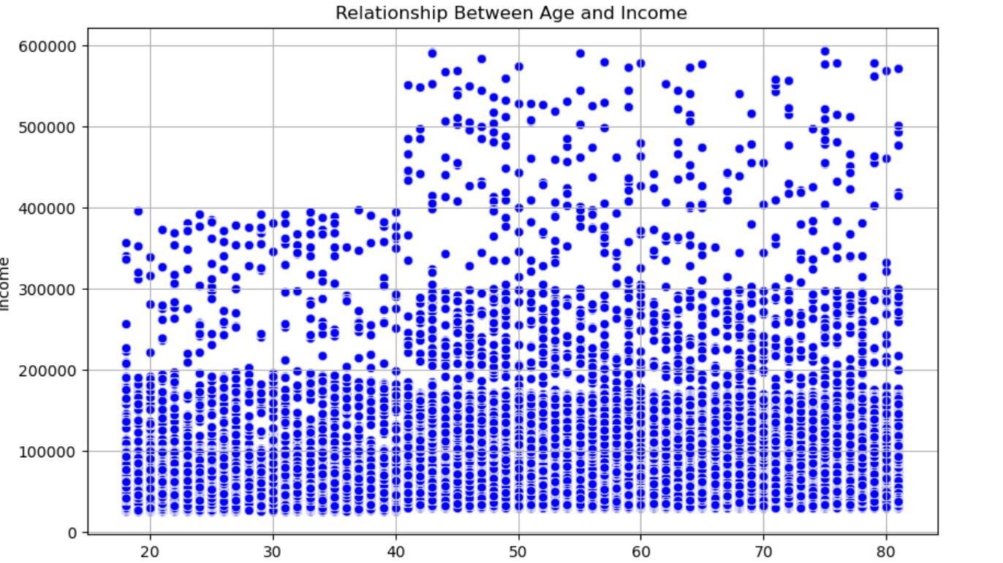
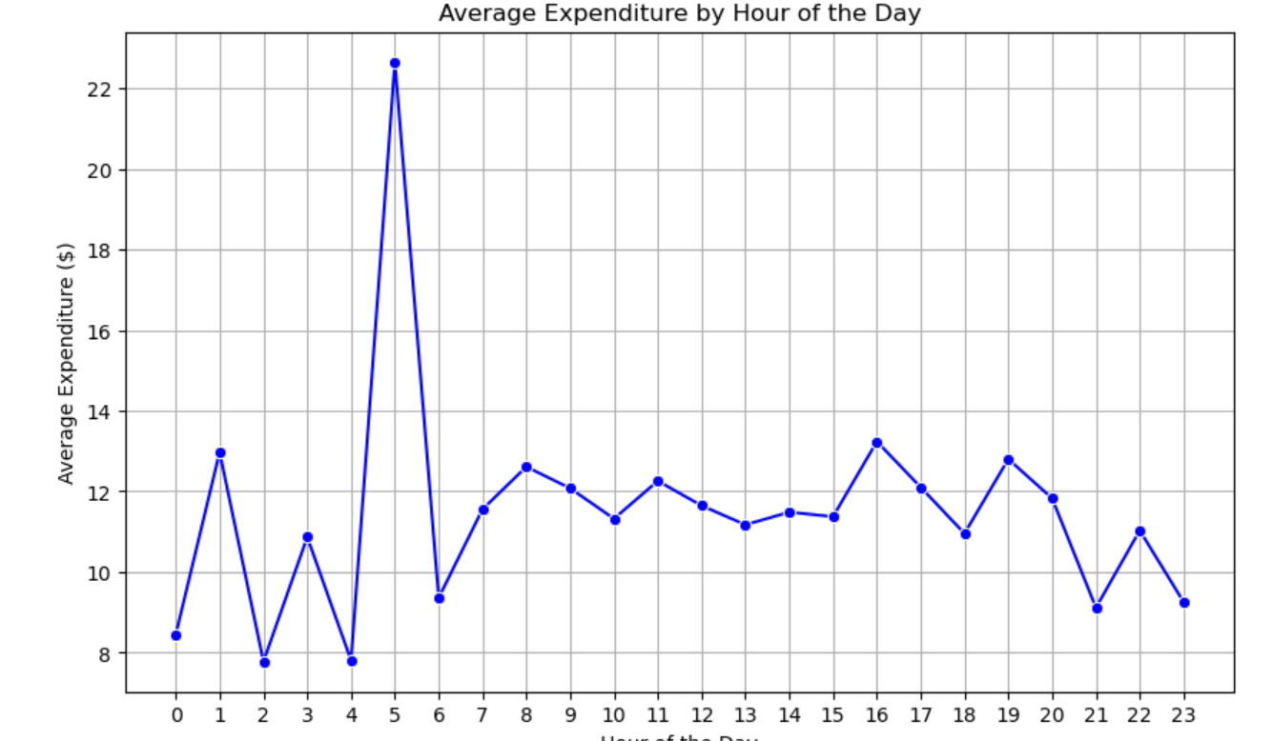

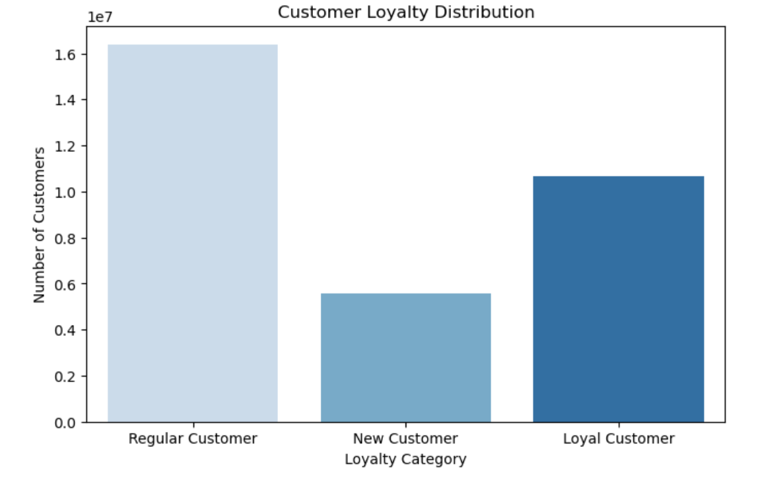
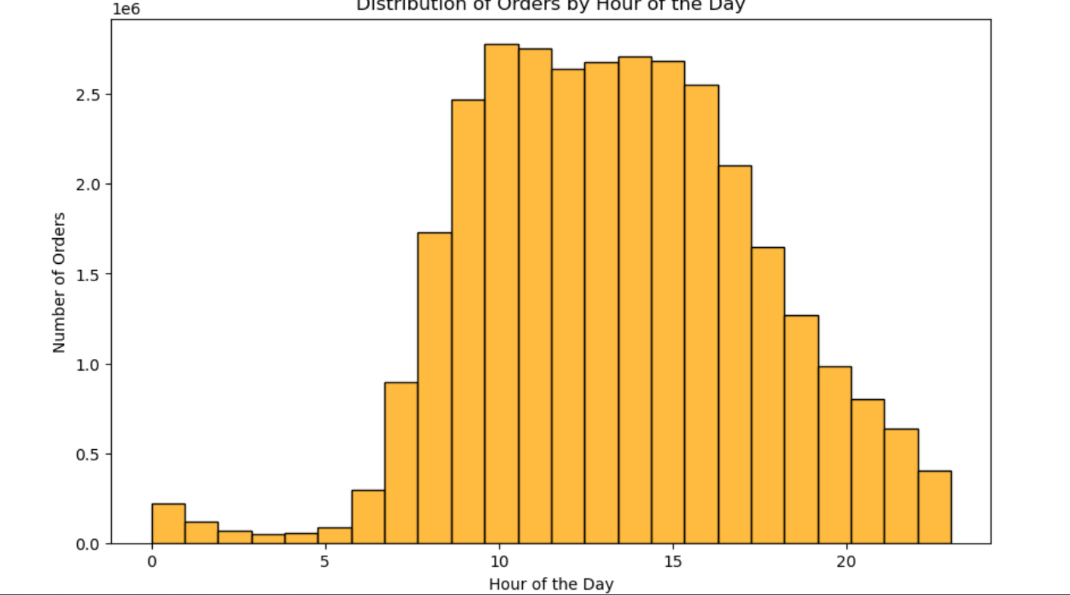

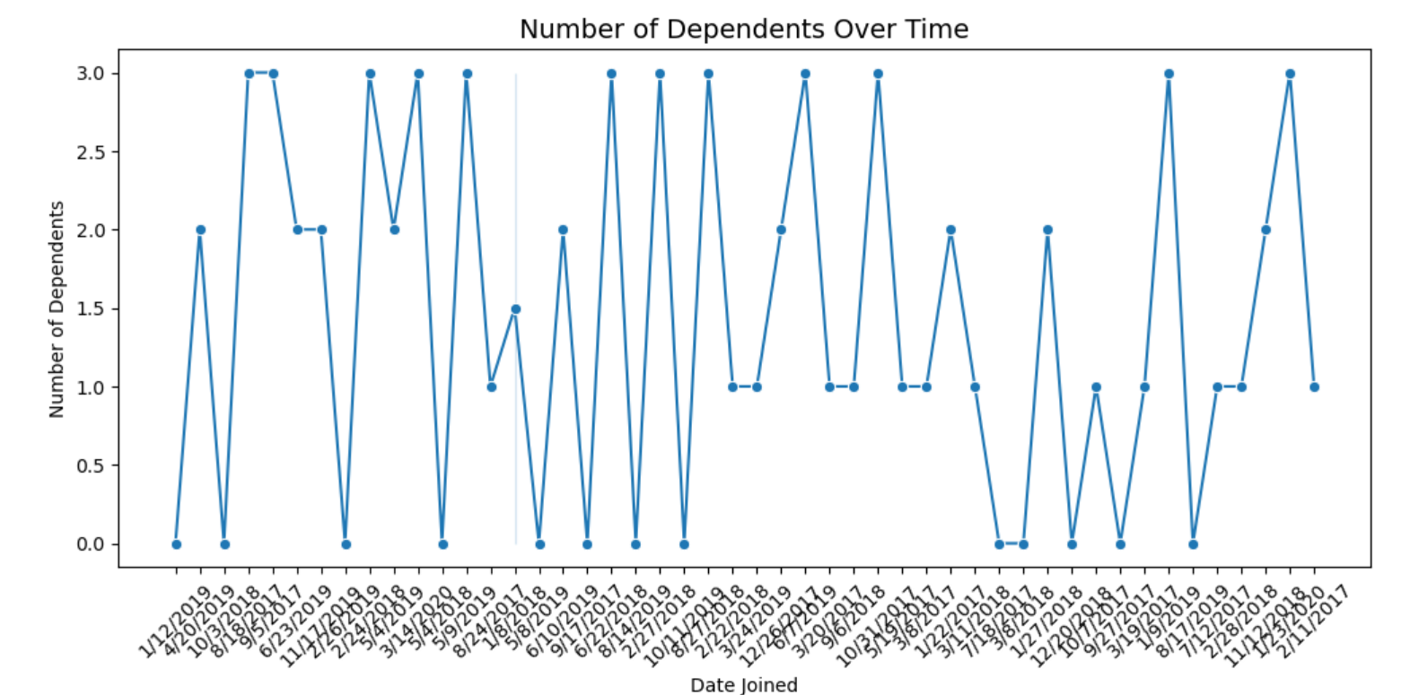
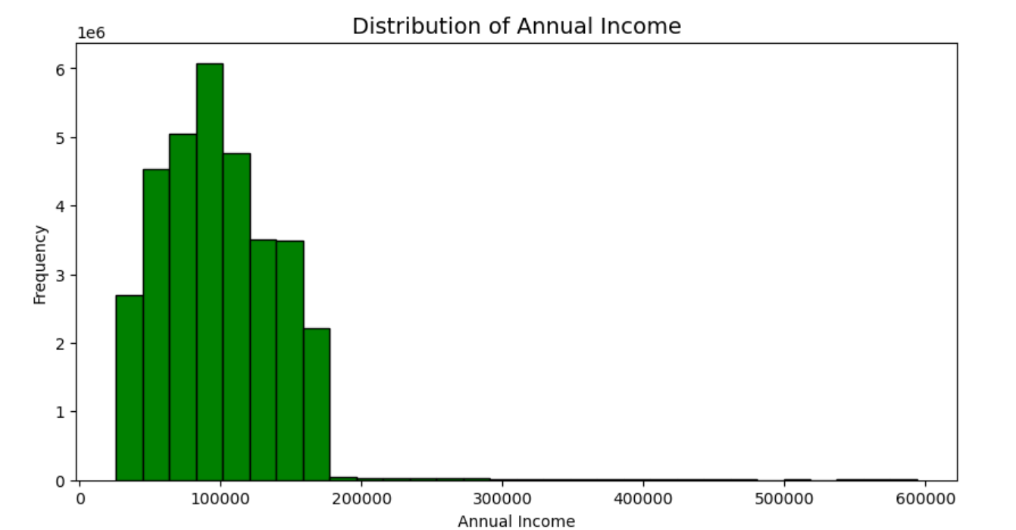

Visualization | Description | Business Insight
Orders by Hour of Day | Bar chart showing how many orders are placed during each hour of the day. | Identifies peak shopping hours, helping the business schedule promotions or system maintenance during off-peak times.
Orders by Age Group | Bar chart showing order volume distribution across age categories (e.g., 18–30, 30–50, etc.). | Highlights the most active age segments, enabling targeted marketing and product design for those age groups.
Income vs. Product Price | Scatterplot illustrating how product prices correlate with customer income. | Reveals spending tendencies by income level, which can inform product bundling and premium offerings.
Top Departments for Low-Income Parents | Bar chart showing the most frequently purchased departments by parents with income below $50,000. | Informs loyalty programs and discount strategies for essential departments like baby care and household items.
Order Volume by Region | Bar chart showing number of orders placed across different U.S. regions (based on mapped STATE). | Helps allocate regional advertising budget and warehouse resources more effectively.
Order Frequency per Customer | Histogram showing how often customers place orders. | Highlights inactive or low-frequency users who may benefit from reactivation campaigns or loyalty nudges.
Customer Profiles by Region | Stacked bar chart showing the distribution of customer profile types (e.g., Large Family, Retiree) across U.S. regions. | Reveals which customer segments are dominant in each region, helping with regional targeting and personalized outreach.
Customer Profiles by Department | Stacked bar chart showing how different customer profiles interact with various product departments. | Highlights department-level preferences by lifestyle, guiding assortment planning and promotional focus.
Average Expenditure by Customer Profile | Horizontal bar chart comparing how much each customer profile spends on average. | Shows which segments spend the most, enabling more effective budget allocation and premium product promotions.
Average Expenditure by Hour | Line chart showing average spending amounts across different hours of the day. | Identifies spending peaks, allowing time-specific offers to maximize revenue.
Customer Loyalty Distribution | Bar chart showing how customers are distributed across loyalty categories (New, Regular, Loyal). | Helps in assessing retention performance and tailoring loyalty rewards or engagement strategies.
Order Distribution by Hour of Day | Histogram showing number of orders placed across each hour of the day. | Reveals peak activity periods, helping with operational planning and ad scheduling.
Dependents Over Time | Line chart showing number of dependents based on customers’ date of account creation. | Tracks demographic trends over time, useful for adjusting marketing to family-focused segments.
Annual Income Distribution | Histogram illustrating the frequency of customers across income levels. | Shows concentration of middle-income customers, guiding pricing and bundling strategies.

7_Results_Recommendations
Results_Recommendations
In this tab you should include any recommendations you would made to Instcart in terms of their marketing strategy based on the questions posed in the brief.
Every key question has been covered in the Tasks of the Exercises - here you need to add an item -
a visualisation or table/crosstable that is showing the answer in the data, acompanied by a comment from you. Please, list the questions below and add the answer underneath.

Question | Answer | Recommendation
What time of day do customers place the most orders? | Most orders are placed during late morning to early afternoon, with a noticeable spike between 10 a.m. and 2 p.m. This suggests customers tend to shop during breaks or midday routines. | Run promotions or feature key products during peak hours to maximize engagement and conversions.
Which age groups are most active? | Young adults (18–30) and middle-aged adults (30–50) show the highest ordering frequency. These groups are tech-savvy and regularly engage with the platform. | Tailor product recommendations and marketing content to these active age brackets for higher effectiveness.
How does income affect spending? | Higher-income users consistently show greater basket sizes and favor premium goods. This indicates they are more likely to explore quality over cost. | Create bundles and highlight premium items in campaigns targeting this income group.
What buying patterns do low-income parents show? | Low-income parents frequently purchase baby products and household staples, indicating necessity-driven buying behavior focused on daily needs. | Offer targeted discounts, coupons, or loyalty rewards to help retain this segment and show support.
Which regions show higher order volumes? | The Northeast and West regions generate the most order traffic. These areas show consistent engagement across product categories. | Increase ad spend and offer location-based promotions to further boost activity in these high-performing regions.
What did you do about inactive users? | Customers with fewer than 5 orders were excluded from the core analysis to maintain focus on engaged users and reduce noise in the data. | Consider launching reactivation campaigns (e.g., emails, special deals) to re-engage dormant users.

